Sheet1
FlexRay manages multiple nodes with a Time Division Multiple Access or TDMA scheme. Every FlexRay node is synchronized to the same clock, and each nodes waits for its turn to write on the bus

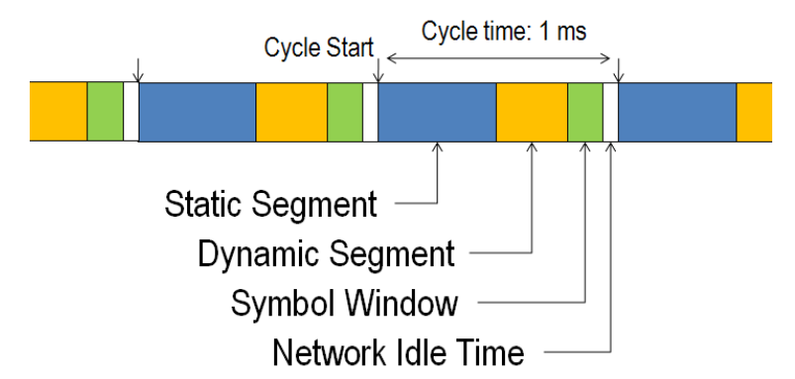

Static Segment
 | Reserved slots for deterministic data that arrives at a fixed period

Dynamic Segment
 | The dynamic segment behaves in a fashion similar to CAN and is used for a wider variety of event-based data that does not require determinism

Symbol Window
 | Typically used for network maintenance and signaling for starting the network
 | The Symbol window is primarily used for maintenance and identification of special cycles such as cold-start cycles. Most high-level applications do not interact with the symbol window.

Network Idle Time
 | A known "quiet" time used to maintain synchronization between node clocks

The Communication Cycle is typically around 1-5 ms
The smallest practical unit of time on a FlexRay network is a macrotick

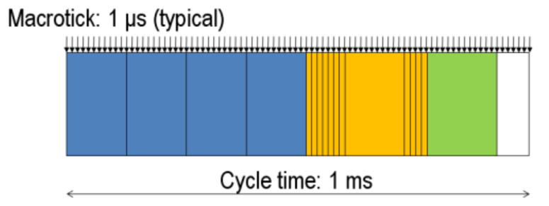

Each slot of a static or dynamic segment contains a FlexRay Frame
The frame is divided into three segments: Header, Payload, and Trailer

The Header is 5 bytes (40 bits)
Status Bits
Frame ID |  | The Frame ID defines the slot in which the frame should be transmitted and is used for prioritizing event-triggered frames
Payload Length |  | The Payload Length contains the number of words which are transferred in the frame
Header CRC
Cycle Count |  | The Cycle Count contains the value of a counter that advances incrementally each time a Communication Cycle starts

Payload
The payload contains the actual data transferred by the frame
The length of the FlexRay payload or data frame is up to 127 words (254 bytes), which is over 30 times greater compared to CAN

Trailer
The trailer contains three 8-bit CRCs to detect errors

Clock synchronization and cold starting
Startup Frames
Sync Frames

